Daily Summary
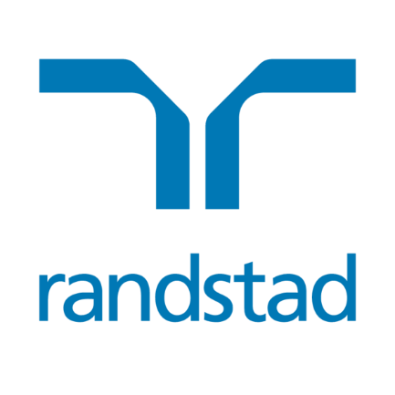
Randstad N.V. share buyback program | EUR 83,284,798.14

SUMMARY
Program announcement date | 22-Apr-24
Purchased amount in EUR | 10,554,242
Percentage of program completed | 12.67%
Exchange traded | Euronext Amsterdam

Date | Total shares repurchased | Average purchase price | Total consideration
23-Apr-24 | 28,665 | 45.4035 | € 1,301,491.33
24-Apr-24 | 27,961 | 46.5413 | € 1,301,341.29
25-Apr-24 | 28,216 | 46.0542 | € 1,299,465.31
26-Apr-24 | 27,998 | 46.4791 | € 1,301,321.84
29-Apr-24 | 27,651 | 47.0648 | € 1,301,388.78
30-Apr-24 | 27,595 | 47.1574 | € 1,301,308.45
1-May-24
2-May-24 | 27,826 | 46.7112 | € 1,299,785.85
3-May-24 | 30,752 | 47.0909 | € 1,448,139.36
Total | 226,664 |  | € 10,554,242.21

